AXISONF
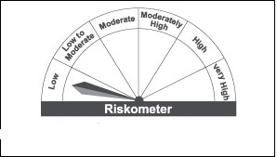
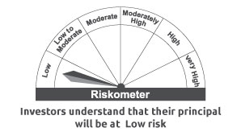
AXISONF | Axis Overnight Fund

 | Monthly Portfolio Statement as on July 31, 2022
 | Name of the Instrument | ISIN | Industry / Rating | Quantity | Market/Fair Value (Rs. in Lakhs) | % to Net Assets | YTM~ | YTC^ | null
 | Money Market Instruments
 | Treasury Bill
TBIL2004 | 182 Days Tbill (MD 04/08/2022) | IN002021Y478 | Sovereign | 20,000,000 | 19,991.20 | 1.85% | 5.35%
TBIL2045 | 91 Days Tbill (MD 04/08/2022) | IN002022X056 | Sovereign | 20,000,000 | 19,991.20 | 1.85% | 5.35%
 | Sub Total |  |  |  | 39,982.40 | 3.70%
 | Total |  |  |  | 39,982.40 | 3.70%
 | Reverse Repo / TREPS
TRP_010822 | Clearing Corporation of India Ltd |  |  |  | 1,041,464.15 | 96.30% | 5.03%
 | Sub Total |  |  |  | 1,041,464.15 | 96.30%
 | Total |  |  |  | 1,041,464.15 | 96.30%
 | Net Receivables / (Payables) |  |  |  | (8.29) | 0.00%
 | GRAND TOTAL |  |  |  | 1,081,438.26 | 100.00%

 | ~ YTM as on July 31, 2022
 | ^ YTC represents Yield to Call provided by valuation agencies as on July 31 , 2022. It is disclosed for Perpetual Bond issued by Banks (i.e. AT-1 Bond / Tier 1 Bond / Tier 2 Bond), as per AMFI Best Practices Guidelines Circular no. 135/BP/91/2020-21 read with SEBI circular No. SEBI/HO/IMD/DF4/CIR/P/2021/034 on Valuation of AT-1 Bonds and Tier 2 Bonds.

 |  | Benchmark Name - NIFTY 1D RATE INDEX
 | Scheme Risk-O-Meter | Benchmark Risk-O-Meter

